Sheet1
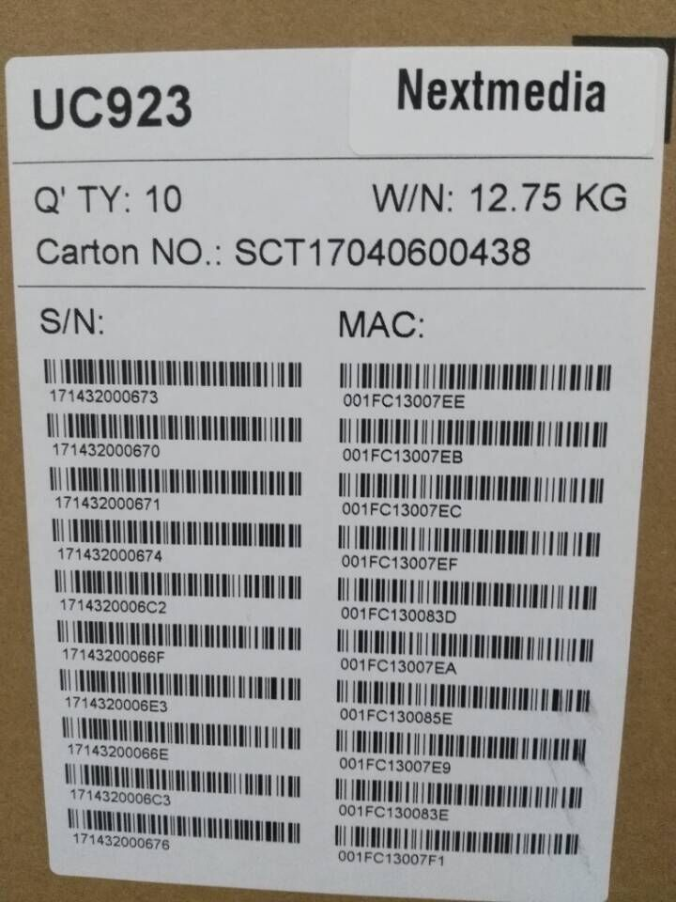
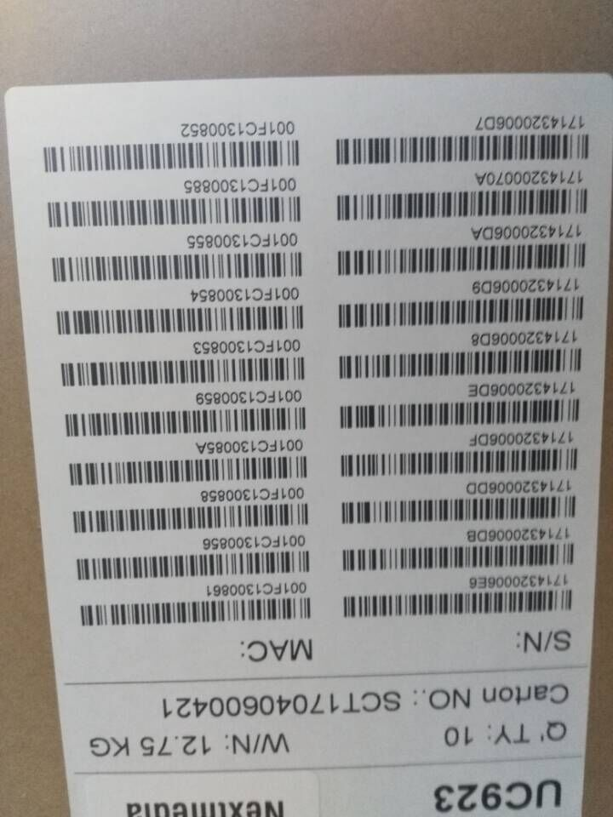
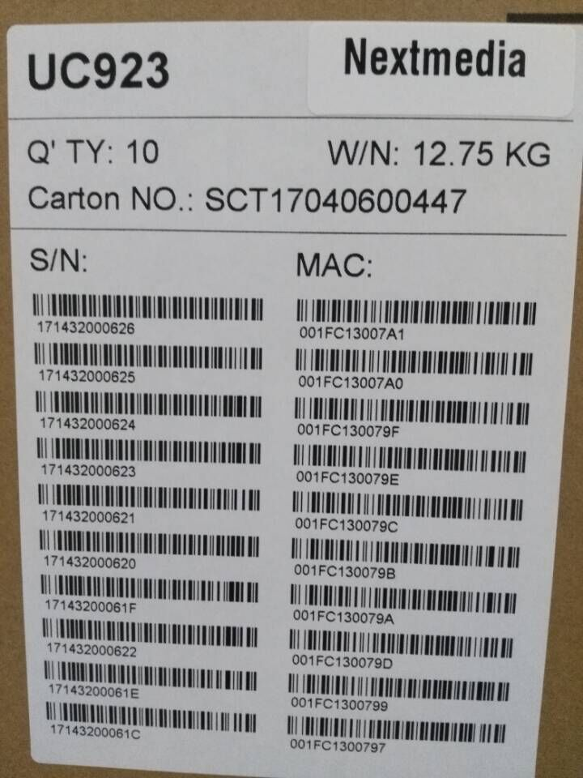
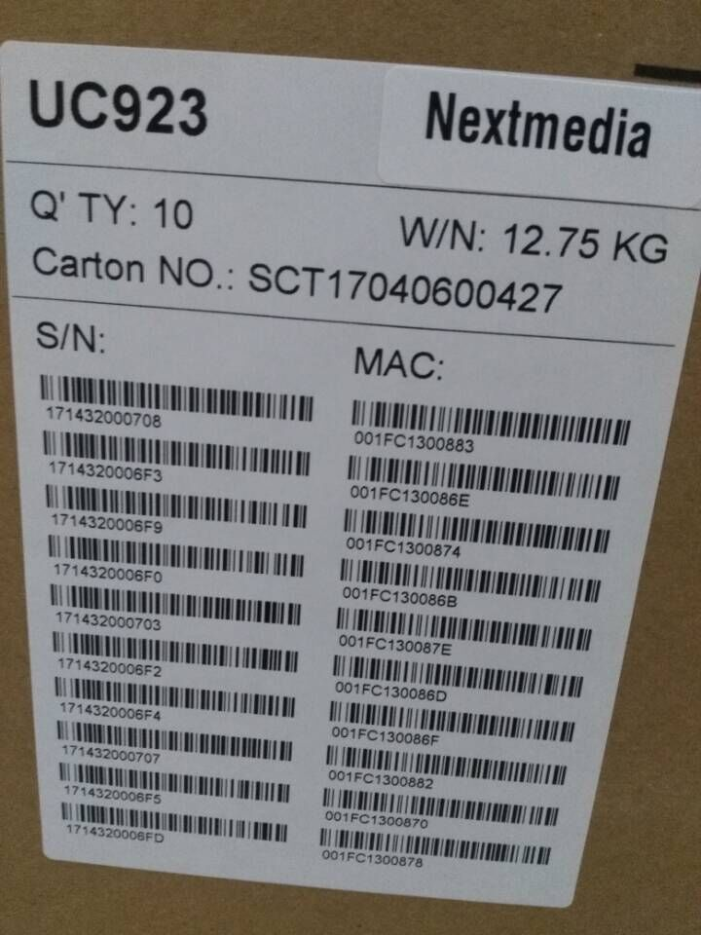
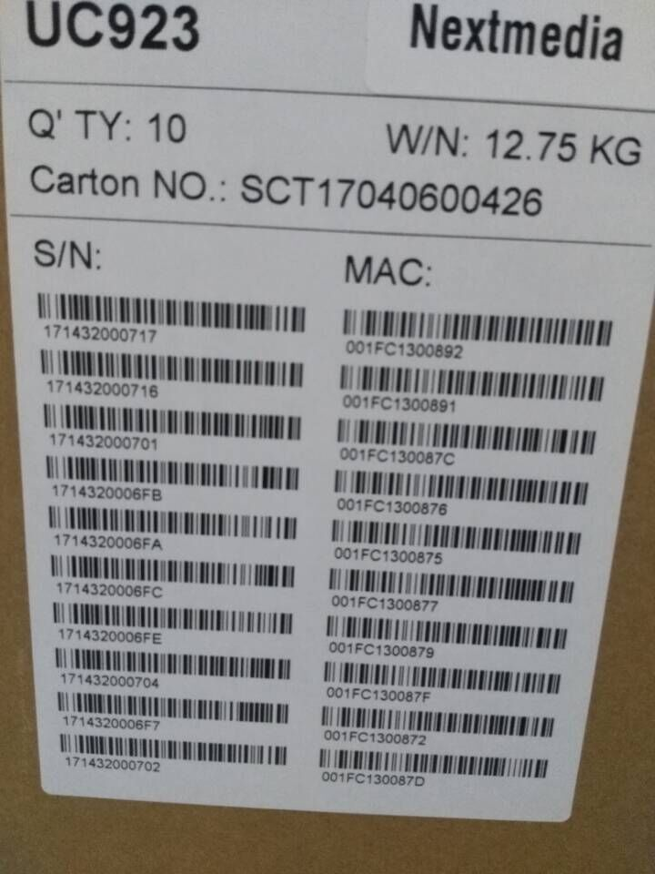
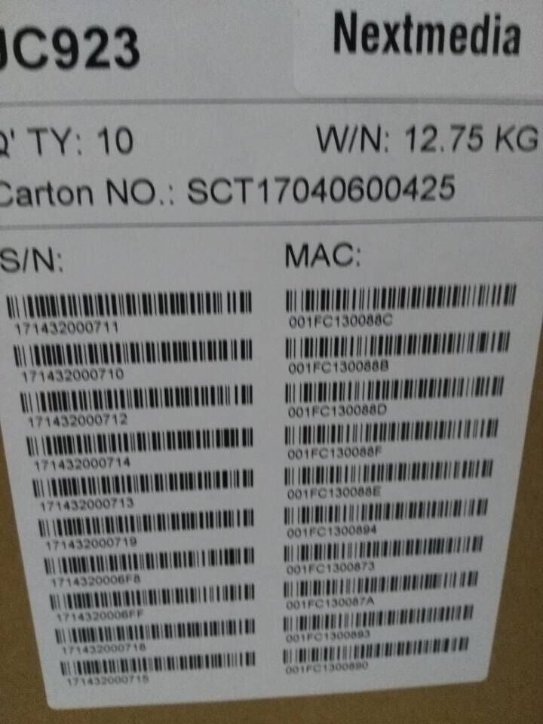
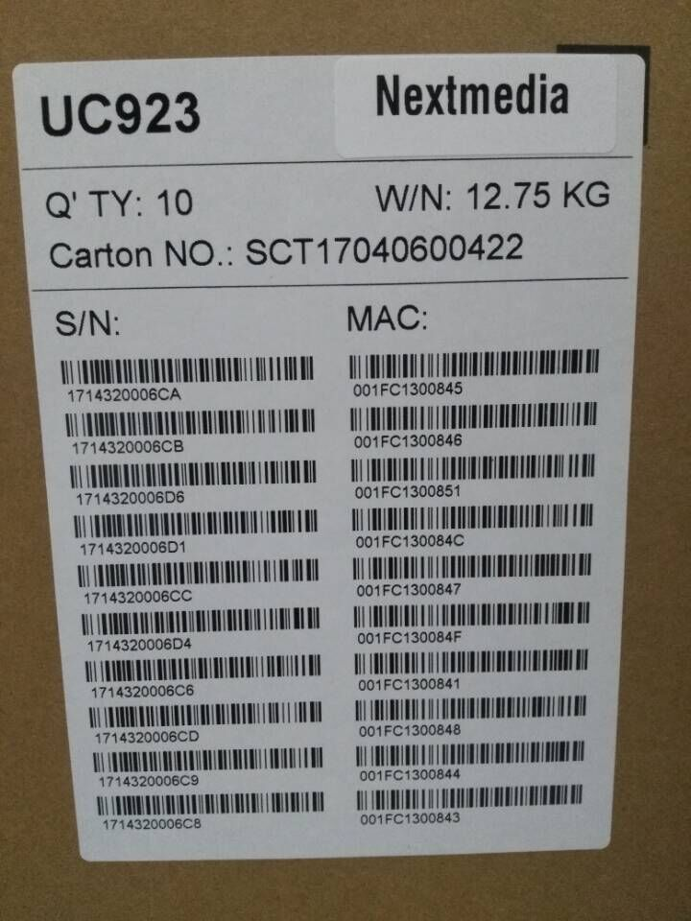
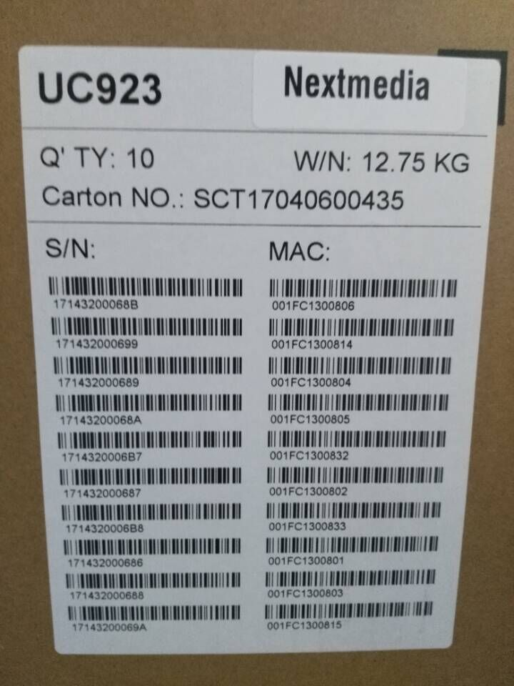
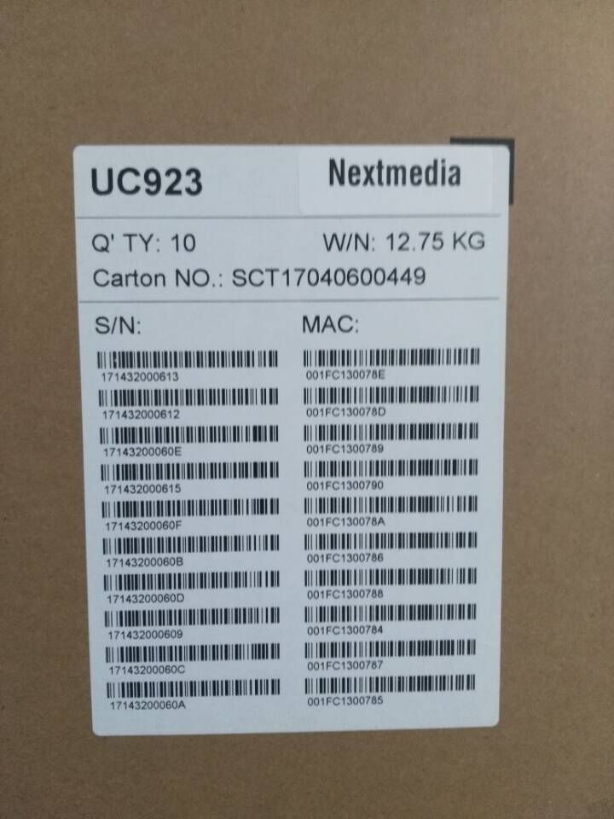
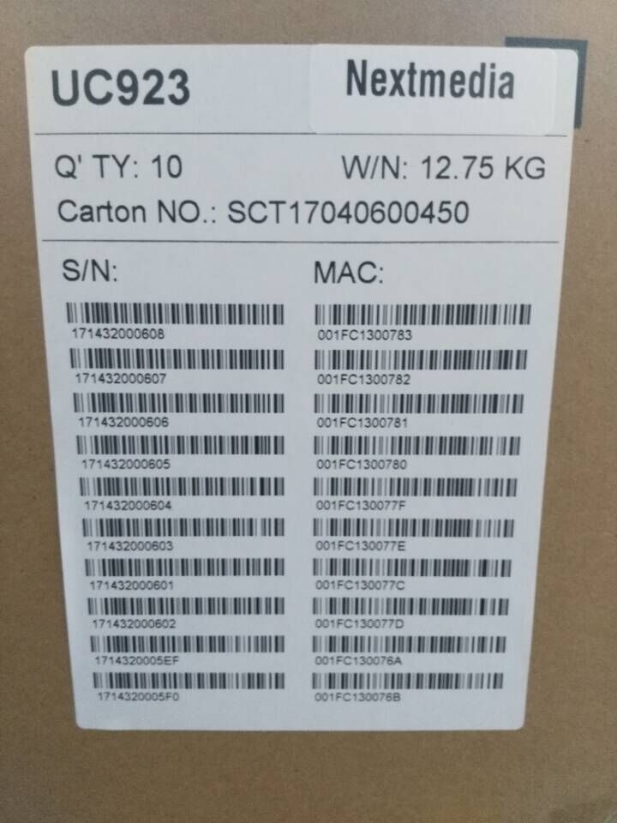
MAC | SN |  | 箱号 | MAC11 | MAC22 | MAC33 | MAC44 | MAC55 | MAC66 | MAC77 | MAC88 | MAC99 | MAC1010 | SN11 | SN22 | SN33 | SN44 | SN55 | SN66 | SN77 | SN88 | SN99 | SN1010
001FC11C3C31 | 17103300010F | 903 | 11 | 001FC11C2AA7 | 001FC11C2AA8 | 001FC11C2AA9 | 001FC11C2AAA | 001FC11C2AAB | 001FC11C2AAC | 001FC11C2AAD | 001FC11C2AAE | 001FC11C2AAF | 001FC11C2AB0 | 17062E000A95 | 17062E000A96 | 17062E000A97 | 17062E000A98 | 17062E000A99 | 17062E000A9A | 17062E000A9B | 17062E000A9C | 17062E000A9D | 17062E000A9E
001FC11C3C32 | 171033000110 |  | 12 | 001FC11C2DE5 | 001FC11C2DE6 | 001FC11C2DE7 | 001FC11C2DE8 | 001FC11C2DE9 | 001FC11C2DEA | 001FC11C2DEB | 001FC11C2DEC | 001FC11C2DED | 001FC11C2DEE | 17062E000DD3 | 17062E000DD4 | 17062E000DD5 | 17062E000DD6 | 17062E000DD7 | 17062E000DD8 | 17062E000DD9 | 17062E000DDA | 17062E000DDB | 17062E000DDC
001FC11C3C33 | 171033000111 |  | 13 | 001FC11C2E2B | 001FC11C2E2C | 001FC11C2E2D | 001FC11C2E2E | 001FC11C2E2F | 001FC11C2E30 | 001FC11C2E31 | 001FC11C2E32 | 001FC11C2E33 | 001FC11C2E34 | 17062E000E19 | 17062E000E1A | 17062E000E1B | 17062E000E1C | 17062E000E1D | 17062E000E1E | 17062E000E1F | 17062E000E20 | 17062E000E21 | 17062E000E22
001FC11C3C34 | 171033000112 |  | 14 | 001FC11C2F11 | 001FC11C2F12 | 001FC11C2F13 | 001FC11C2F14 | 001FC11C2F15 | 001FC11C2F16 | 001FC11C2F17 | 001FC11C2F18 | 001FC11C2F19 | 001FC11C2F1A | 17062E000EFF | 17062E000F00 | 17062E000F01 | 17062E000F02 | 17062E000F03 | 17062E000F04 | 17062E000F05 | 17062E000F06 | 17062E000F07 | 17062E000F08
001FC11C3C35 | 171033000113 |  | 15 | 001FC11C2F57 | 001FC11C2F58 | 001FC11C2F59 | 001FC11C2F5A | 001FC11C2F5B | 001FC11C2F5C | 001FC11C2F5D | 001FC11C2F5E | 001FC11C2F5F | 001FC11C2F60 | 17062E000F45 | 17062E000F46 | 17062E000F47 | 17062E000F48 | 17062E000F49 | 17062E000F4A | 17062E000F4B | 17062E000F4C | 17062E000F4D | 17062E000F4E
001FC11C3C36 | 171033000114 |  | 16 | 001FC11C2F93 | 001FC11C2F94 | 001FC11C2F95 | 001FC11C2F96 | 001FC11C2F97 | 001FC11C2F98 | 001FC11C2F99 | 001FC11C2F9A | 001FC11C2F9B | 001FC11C2F9C | 17062E000F81 | 17062E000F82 | 17062E000F83 | 17062E000F84 | 17062E000F85 | 17062E000F86 | 17062E000F87 | 17062E000F88 | 17062E000F89 | 17062E000F8A
001FC11C3C37 | 171033000115 |  | 17 | 001FC11C3047 | 001FC11C3048 | 001FC11C3049 | 001FC11C304A | 001FC11C304B | 001FC11C304C | 001FC11C304D | 001FC11C304E | 001FC11C304F | 001FC11C3050 | 17062E001035 | 17062E001036 | 17062E001037 | 17062E001038 | 17062E001039 | 17062E00103A | 17062E00103B | 17062E00103C | 17062E00103D | 17062E00103E
001FC11C3C38 | 171033000116 |  | 18 | 001FC11C30AB | 001FC11C30AC | 001FC11C30AD | 001FC11C30AE | 001FC11C30AF | 001FC11C30B0 | 001FC11C30B1 | 001FC11C30B2 | 001FC11C30B3 | 001FC11C30B4 | 17062E001099 | 17062E00109A | 17062E00109B | 17062E00109C | 17062E00109D | 17062E00109E | 17062E00109F | 17062E0010A0 | 17062E0010A1 | 17062E0010A2
001FC11C3C39 | 171033000117 |  | 19 | 001FC11C3123 | 001FC11C3124 | 001FC11C3125 | 001FC11C3126 | 001FC11C3127 | 001FC11C3128 | 001FC11C3129 | 001FC11C312A | 001FC11C312B | 001FC11C312C | 17062E001111 | 17062E001112 | 17062E001113 | 17062E001114 | 17062E001115 | 17062E001116 | 17062E001117 | 17062E001118 | 17062E001119 | 17062E00111A
001FC11C3C3A | 171033000118 |  | 20 | 001FC11C3141 | 001FC11C3142 | 001FC11C3143 | 001FC11C3144 | 001FC11C3145 | 001FC11C3146 | 001FC11C3147 | 001FC11C3148 | 001FC11C3149 | 001FC11C314A | 17062E00112F | 17062E001130 | 17062E001131 | 17062E001132 | 17062E001133 | 17062E001134 | 17062E001135 | 17062E001136 | 17062E001137 | 17062E001138
NO.1 | NO.1 |  | 21 | 001FC11C48BE | 001FC11C48BF | 001FC11C48C0 | 001FC11C48C1 | 001FC11C48C2 | 001FC11C48C3 |  |  |  |  | 171411000B17 | 171411000B18 | 171411000B19 | 171411000B1A | 171411000B1B | 171411000B1C
001FC11C3C3B | 171033000119 |  | 22 | 001FC11C48C4 | 001FC11C48C5 | 001FC11C48C6 | 001FC11C48C7 | 001FC11C48C8 | 001FC11C48C9 |  |  |  |  | 171411000B1D | 171411000B1E | 171411000B1F | 171411000B20 | 171411000B21 | 171411000B22
001FC11C3C3C | 17103300011A |  | 23 | 001FC11C48CA | 001FC11C48CB | 001FC11C48CC | 001FC11C48CD | 001FC11C48CE | 001FC11C48CF |  |  |  |  | 171411000B23 | 171411000B24 | 171411000B25 | 171411000B26 | 171411000B27 | 171411000B28
001FC11C3C3D | 17103300011B |  | 24 | 001FC11C48D0 | 001FC11C48D1 | 001FC11C48D2 | 001FC11C48D3 | 001FC11C48D4 | 001FC11C48D5 |  |  |  |  | 171411000B29 | 171411000B2A | 171411000B2B | 171411000B2C | 171411000B2D | 171411000B2E
001FC11C3C3E | 17103300011C |  | 25 | 001FC11C48D6 | 001FC11C48D7 | 001FC11C48D8 | 001FC11C48D9 | 001FC11C48DA | 001FC11C48DB |  |  |  |  | 171411000B2F | 171411000B30 | 171411000B31 | 171411000B32 | 171411000B33 | 171411000B34
001FC11C3C3F | 17103300011D |  | 26 | 001FC11C24EF | 001FC11C24F0 | 001FC11C24F1 | 001FC11C24F2 | 001FC11C24F3 | 001FC11C24F4 |  |  |  |  | 1704130003FB | 1704130003FC | 1704130003FD | 1704130003FE | 1704130003FF | 170413000400
001FC11C3C40 | 17103300011E |  | 27 | 001FC11C24F5 | 001FC11C24F6 | 001FC11C24F7 | 001FC11C24F8 | 001FC11C24F9 | 001FC11C24FA |  |  |  |  | 170413000401 | 170413000402 | 170413000403 | 170413000404 | 170413000405 | 170413000406
001FC11C3C41 | 17103300011F |  | 28 | 001FC11C24FB | 001FC11C24FC | 001FC11C24FD | 001FC11C24FE | 001FC11C24FF | 001FC11C2500 |  |  |  |  | 170413000407 | 170413000408 | 170413000409 | 17041300040A | 17041300040B | 17041300040C
001FC11C3C42 | 171033000120 |  | 29 | 001FC11C2501 | 001FC11C2502 | 001FC11C2503 | 001FC11C2504 | 001FC11C2505 | 001FC11C2506 |  |  |  |  | 17041300040D | 17041300040E | 17041300040F | 170413000410 | 170413000411 | 170413000412
001FC11C3C43 | 171033000121 |  | 30 | 001FC11C251D | 001FC11C251E | 001FC11C251F | 001FC11C2520 | 001FC11C2521 | 001FC11C2522 |  |  |  |  | 17131300041D | 17131300041E | 17131300041F | 171313000420 | 171313000421 | 171313000422
001FC11C3C44 | 171033000122 |  | 31 | 001FC11C2529 | 001FC11C252A | 001FC11C252B | 001FC11C252C | 001FC11C252D | 001FC11C252E |  |  |  |  | 171313000423 | 171313000424 | 171313000425 | 171313000426 | 171313000427 | 171313000428
NO.2 | NO.2 |  | 32 | 001FC11C252F | 001FC11C2530 | 001FC11C2531 | 001FC11C2532 | 001FC11C2533 | 001FC11C2534 |  |  |  |  | 171313000429 | 17131300042A | 17131300042B | 17131300042C | 17131300042D | 17131300042E
001FC11C3C4F | 17103300012D |  | 33 | 001FC11C253B | 001FC11C253C | 001FC11C253D | 001FC11C253E | 001FC11C253F | 001FC11C2540 | 001FC11C2541 | 001FC11C2542 |  |  | 17131300042F | 171313000430 | 171313000431 | 171313000432 | 171313000433 | 171313000434 | 171313000435 | 171313000436
001FC11C3C50 | 17103300012E
001FC11C3C51 | 17103300012F
001FC11C3C52 | 171033000130
001FC11C3C53 | 171033000131
001FC11C3C54 | 171033000132
001FC11C3C55 | 171033000133
001FC11C3C56 | 171033000134
001FC11C3C57 | 171033000135
001FC11C3C58 | 171033000136
NO.3 | NO.3
001FC11C3C6D | 17103300014B
001FC11C3C6E | 17103300014C
001FC11C3C6F | 17103300014D
001FC11C3C70 | 17103300014E
001FC11C3C71 | 17103300014F
001FC11C3C72 | 171033000150
001FC11C3C73 | 171033000151
001FC11C3C74 | 171033000152
001FC11C3C75 | 171033000153
001FC11C3C76 | 171033000154
NO.4 | NO.4
001FC11C3C77 | 171033000155
001FC11C3C78 | 171033000156
001FC11C3C79 | 171033000157
001FC11C3C7A | 171033000158
001FC11C3C7B | 171033000159
001FC11C3C7C | 17103300015A
001FC11C3C7D | 17103300015B
001FC11C3C7E | 17103300015C
001FC11C3C7F | 17103300015D
001FC11C3C80 | 17103300015E
NO.5 | NO.5
001FC11C3C81 | 17103300015F
001FC11C3C82 | 171033000160
001FC11C3C83 | 171033000161
001FC11C3C84 | 171033000162
001FC11C3C85 | 171033000163
001FC11C3C86 | 171033000164
001FC11C3C87 | 171033000165
001FC11C3C88 | 171033000166
001FC11C3C89 | 171033000167
001FC11C3C8A | 171033000168
NO.6 | NO.6
001FC11C3C95 | 171033000173
001FC11C3C96 | 171033000174
001FC11C3C97 | 171033000175
001FC11C3C98 | 171033000176
001FC11C3C99 | 171033000177
001FC11C3C9A | 171033000178
001FC11C3C9B | 171033000179
001FC11C3C9C | 17103300017A
001FC11C3C9D | 17103300017B
001FC11C3C9E | 17103300017C
NO.7 | NO.7
001FC11C3C9F | 17103300017D
001FC11C3CA0 | 17103300017E
001FC11C3CA1 | 17103300017F
001FC11C3CA2 | 171033000180
001FC11C3CA3 | 171033000181
001FC11C3CA4 | 171033000182
001FC11C3CA5 | 171033000183
001FC11C3CA6 | 171033000184
001FC11C3CA7 | 171033000185
001FC11C3CA8 | 171033000186
NO.8 | NO.8
001FC11C3CA9 | 171033000187
001FC11C3CAA | 171033000188
001FC11C3CAB | 171033000189
001FC11C3CAC | 17103300018A
001FC11C3CAD | 17103300018B
001FC11C3CAE | 17103300018C
001FC11C3CAF | 17103300018D
001FC11C3CB0 | 17103300018E
001FC11C3CB1 | 17103300018F
001FC11C3CB2 | 171033000190
NO.9 | NO.9
001FC11C3CC7 | 1710330001A5
001FC11C3CC8 | 1710330001A6
001FC11C3CC9 | 1710330001A7
001FC11C3CCA | 1710330001A8
001FC11C3CCB | 1710330001A9
001FC11C3CCC | 1710330001AA
001FC11C3CCD | 1710330001AB
001FC11C3CCE | 1710330001AC
001FC11C3CCF | 1710330001AD
001FC11C3CD0 | 1710330001AE
NO.10 | NO.10
001FC11C2AA7 | 17062E000A95 | 902P
001FC11C2AA8 | 17062E000A96
001FC11C2AA9 | 17062E000A97
001FC11C2AAA | 17062E000A98
001FC11C2AAB | 17062E000A99
001FC11C2AAC | 17062E000A9A
001FC11C2AAD | 17062E000A9B
001FC11C2AAE | 17062E000A9C
001FC11C2AAF | 17062E000A9D
001FC11C2AB0 | 17062E000A9E
NO.11 | NO.11
001FC11C2DE5 | 17062E000DD3
001FC11C2DE6 | 17062E000DD4
001FC11C2DE7 | 17062E000DD5
001FC11C2DE8 | 17062E000DD6
001FC11C2DE9 | 17062E000DD7
001FC11C2DEA | 17062E000DD8
001FC11C2DEB | 17062E000DD9
001FC11C2DEC | 17062E000DDA
001FC11C2DED | 17062E000DDB
001FC11C2DEE | 17062E000DDC
NO.12 | NO.12
001FC11C2E2B | 17062E000E19
001FC11C2E2C | 17062E000E1A
001FC11C2E2D | 17062E000E1B
001FC11C2E2E | 17062E000E1C
001FC11C2E2F | 17062E000E1D
001FC11C2E30 | 17062E000E1E
001FC11C2E31 | 17062E000E1F
001FC11C2E32 | 17062E000E20
001FC11C2E33 | 17062E000E21
001FC11C2E34 | 17062E000E22
NO.13 | NO.13
001FC11C2F11 | 17062E000EFF
001FC11C2F12 | 17062E000F00
001FC11C2F13 | 17062E000F01
001FC11C2F14 | 17062E000F02
001FC11C2F15 | 17062E000F03
001FC11C2F16 | 17062E000F04
001FC11C2F17 | 17062E000F05
001FC11C2F18 | 17062E000F06
001FC11C2F19 | 17062E000F07
001FC11C2F1A | 17062E000F08
NO.14 | NO.14
001FC11C2F57 | 17062E000F45
001FC11C2F58 | 17062E000F46
001FC11C2F59 | 17062E000F47
001FC11C2F5A | 17062E000F48
001FC11C2F5B | 17062E000F49
001FC11C2F5C | 17062E000F4A
001FC11C2F5D | 17062E000F4B
001FC11C2F5E | 17062E000F4C
001FC11C2F5F | 17062E000F4D
001FC11C2F60 | 17062E000F4E
NO.15 | NO.15
001FC11C2F93 | 17062E000F81
001FC11C2F94 | 17062E000F82
001FC11C2F95 | 17062E000F83
001FC11C2F96 | 17062E000F84
001FC11C2F97 | 17062E000F85
001FC11C2F98 | 17062E000F86
001FC11C2F99 | 17062E000F87
001FC11C2F9A | 17062E000F88
001FC11C2F9B | 17062E000F89
001FC11C2F9C | 17062E000F8A
NO.16 | NO.16
001FC11C3047 | 17062E001035
001FC11C3048 | 17062E001036
001FC11C3049 | 17062E001037
001FC11C304A | 17062E001038
001FC11C304B | 17062E001039
001FC11C304C | 17062E00103A
001FC11C304D | 17062E00103B
001FC11C304E | 17062E00103C
001FC11C304F | 17062E00103D
001FC11C3050 | 17062E00103E
NO.17 | NO.17
001FC11C30AB | 17062E001099
001FC11C30AC | 17062E00109A
001FC11C30AD | 17062E00109B
001FC11C30AE | 17062E00109C
001FC11C30AF | 17062E00109D
001FC11C30B0 | 17062E00109E
001FC11C30B1 | 17062E00109F
001FC11C30B2 | 17062E0010A0
001FC11C30B3 | 17062E0010A1
001FC11C30B4 | 17062E0010A2
NO.18 | NO.18
001FC11C3123 | 17062E001111
001FC11C3124 | 17062E001112
001FC11C3125 | 17062E001113
001FC11C3126 | 17062E001114
001FC11C3127 | 17062E001115
001FC11C3128 | 17062E001116
001FC11C3129 | 17062E001117
001FC11C312A | 17062E001118
001FC11C312B | 17062E001119
001FC11C312C | 17062E00111A
NO.19 | NO.19
001FC11C3141 | 17062E00112F
001FC11C3142 | 17062E001130
001FC11C3143 | 17062E001131
001FC11C3144 | 17062E001132
001FC11C3145 | 17062E001133
001FC11C3146 | 17062E001134
001FC11C3147 | 17062E001135
001FC11C3148 | 17062E001136
001FC11C3149 | 17062E001137
001FC11C314A | 17062E001138
NO.20 | NO.20
001FC11C48BE | 171411000B17 | 862
001FC11C48BF | 171411000B18
001FC11C48C0 | 171411000B19
001FC11C48C1 | 171411000B1A
001FC11C48C2 | 171411000B1B
001FC11C48C3 | 171411000B1C
NO.21 | NO.21
001FC11C48C4 | 171411000B1D
001FC11C48C5 | 171411000B1E
001FC11C48C6 | 171411000B1F
001FC11C48C7 | 171411000B20
001FC11C48C8 | 171411000B21
001FC11C48C9 | 171411000B22
NO.22 | NO.22
001FC11C48CA | 171411000B23
001FC11C48CB | 171411000B24
001FC11C48CC | 171411000B25
001FC11C48CD | 171411000B26
001FC11C48CE | 171411000B27
001FC11C48CF | 171411000B28
NO.23 | NO.23
001FC11C48D0 | 171411000B29
001FC11C48D1 | 171411000B2A
001FC11C48D2 | 171411000B2B
001FC11C48D3 | 171411000B2C
001FC11C48D4 | 171411000B2D
001FC11C48D5 | 171411000B2E
NO.24 | NO.24
001FC11C48D6 | 171411000B2F
001FC11C48D7 | 171411000B30
001FC11C48D8 | 171411000B31
001FC11C48D9 | 171411000B32
001FC11C48DA | 171411000B33
001FC11C48DB | 171411000B34
NO.25 | NO.25
001FC11C24EF | 1704130003FB | 860P
001FC11C24F0 | 1704130003FC
001FC11C24F1 | 1704130003FD
001FC11C24F2 | 1704130003FE
001FC11C24F3 | 1704130003FF
001FC11C24F4 | 170413000400
NO.26 | NO.26
001FC11C24F5 | 170413000401
001FC11C24F6 | 170413000402
001FC11C24F7 | 170413000403
001FC11C24F8 | 170413000404
001FC11C24F9 | 170413000405
001FC11C24FA | 170413000406
NO.27 | NO.27
001FC11C24FB | 170413000407
001FC11C24FC | 170413000408
001FC11C24FD | 170413000409
001FC11C24FE | 17041300040A
001FC11C24FF | 17041300040B
001FC11C2500 | 17041300040C
NO.28 | NO.28
001FC11C2501 | 17041300040D
001FC11C2502 | 17041300040E
001FC11C2503 | 17041300040F
001FC11C2504 | 170413000410
001FC11C2505 | 170413000411
001FC11C2506 | 170413000412
NO.29 | NO.29
001FC11C251D | 17131300041D
001FC11C251E | 17131300041E
001FC11C251F | 17131300041F
001FC11C2520 | 171313000420
001FC11C2521 | 171313000421
001FC11C2522 | 171313000422
NO.30 | NO.30
001FC11C2529 | 171313000423
001FC11C252A | 171313000424
001FC11C252B | 171313000425
001FC11C252C | 171313000426
001FC11C252D | 171313000427
001FC11C252E | 171313000428
NO.31 | NO.31
001FC11C252F | 171313000429
001FC11C2530 | 17131300042A
001FC11C2531 | 17131300042B
001FC11C2532 | 17131300042C
001FC11C2533 | 17131300042D
001FC11C2534 | 17131300042E
NO.32 | NO.32
001FC11C253B | 17131300042F
001FC11C253C | 171313000430
001FC11C253D | 171313000431
001FC11C253E | 171313000432
001FC11C253F | 171313000433
001FC11C2540 | 171313000434
001FC11C2541 | 171313000435
001FC11C2542 | 171313000436

001FC11C2238 | YP17000358 | UC46
001FC11C2239 | YP17000359
001FC11C223A | YP1700035A
001FC11C223B | YP1700035B
001FC11C223C | YP1700035C
001FC11C223D | YP1700035D
001FC11C223E | YP1700035E
001FC11C223F | YP1700035F
001FC11C2240 | YP17000360
001FC11C2241 | YP17000361
NO.34 | NO.34

PS EU | 35-36箱

923 | 37-46箱

